Topic_count
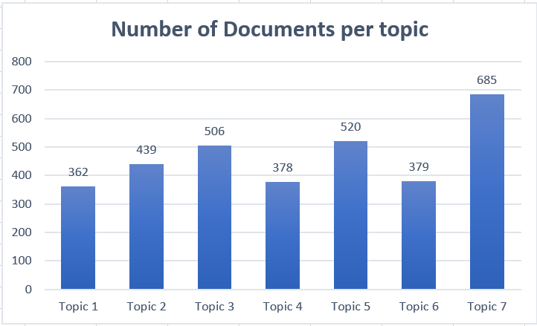
Topics | Number_docs
Topic 1 | 362
Topic 2 | 439
Topic 3 | 506
Topic 4 | 378
Topic 5 | 520
Topic 6 | 379
Topic 7 | 685

